Dimension_Property
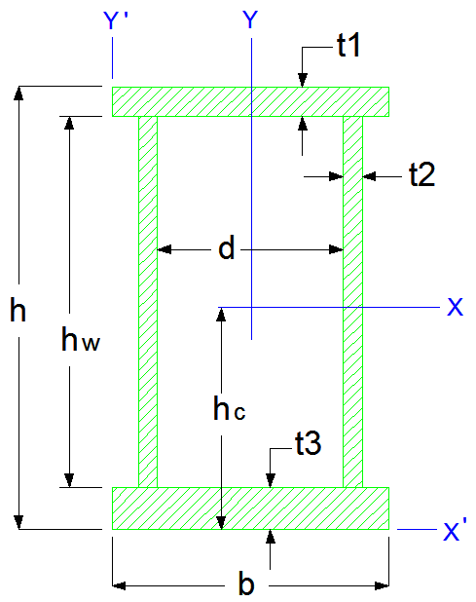
EMAD HYPER STRUCTURES CO. |  |  |  |  |  | [ X ] |  |  | [ Y ]
 |  |  | INPUT | ورودی |  | I_x = | 9.62266E+08 | (mm4) | I_y = | 1.57885E+08 | (mm4)
 |  |  | t1 = | 12.0 | (mm) | I_x = | 9.6227E+04 | (cm4) | I_y = | 15,788.5 | (cm4)
 |  |  | t2 = | 8.0 | (mm) | I_x = | 9.62E-04 | (m4) | I_y = | 1.58E-04 | (m4)
 |  |  | t3 = | 12.0 | (mm) | r_x = | 239.3 | (mm) | r_y = | 96.9 | (mm)
 |  |  | b = | 300.0 | (mm) | r_x = | 23.9 | (cm) | r_y = | 9.7 | (cm)
 |  |  | h = | 624.0 | (mm) | S_x = | 3.08418E+06 | (mm3) | S_y = | 1.05257E+06 | (mm3)
 |  |  | d = | 200.0 | (mm) | S_x = | 3.08418E+03 | (cm3) | S_y = | 1.05257E+03 | (cm3)
 |  |  | Density = | 7860.0 | (kg/m3) | [ X ' ] |  |  | [ Y ' ]
 |  |  |  |  |  | I_x' = | 2.59764E+09 | (mm4) | I_y' = | 5.35885E+08 | (mm4)
 |  |  | OUTPUT | خروجی هندسی |  | I_x' = | 2.59764E+05 | (cm4) | I_y' = | 5.35885E+04 | (cm4)
 |  |  | hw = | 600.0 | (mm) | r_x' = | 393.2 | (mm) | r_y' = | 178.6 | (mm)
 |  |  | Section Area = | 16,800.0 | (mm2) | S_x' = | 4.16289E+06 | (mm3) | S_y' = | 1.78628E+06 | (mm3)
 |  |  | Section Area = | 1.68E+02 | (cm2) | S_x' = | 4.16289E+03 | (cm3) | S_y' = | 1.78628E+03 | (cm3)
 |  |  | h_Center = | 312.0 | (mm) | X |  |  | Y
 |  |  | h_Center = | 31.2 | (cm) | I_Flange_x_10 | 4.32000E+04 | (mm4) | I_Flange_y_10 | 2.70000E+07 | (mm4)
 |  |  | G = | 132.0 | (kg/m) | I_Flange_x_20 | 4.32000E+04 | (mm4) | I_Flange_y_20 | 2.70000E+07 | (mm4)
 |  |  | Flange Area_1 | 3,600.0 | (mm2) | I_Web_x_30 | 2.88000E+08 | (mm4) | I_Web_y_30 | 5.12000E+04 | (mm4)
 |  |  | Flange Area_2 | 3,600.0 | (mm2) | I_Flange_x_11 | 3.37090E+08 | (mm4) | I_Web_y_31 | 1.03834E+08 | (mm4)
 |  |  | Web Area | 9,600.0 | (mm2) | I_Flange_x_21 | 3.37090E+08 | (mm4)
 |  |  | I_x / I_y = | 6.1 |  | I_Web_x_31 | 0.00000E+00 | (mm4)
 |  |  | I_x' / I_y' = | 4.8 |  | I_Flange_x'_11 | 1.37493E+09 | (mm4) | I_Flange_y'_11 | 8.10000E+07 | (mm4)
 |  |  |  |  |  | I_Flange_x'_21 | 1.29600E+05 | (mm4) | I_Flange_y'_21 | 8.10000E+07 | (mm4)
 |  |  |  |  |  | I_Web_x'_31 | 9.34502E+08 | (mm4) | I_Web_y'_31 | 2.16000E+08 | (mm4)
www.EHSCO.IR | Email: info@ehsco.ir | B.HOSSEINPOUR |  | Mobile: +98 914.118.7430 |  | Email: b_hosseinpour2003@yahoo.com

